Heavy Duty Co.
Heavy Duty Company Corrective Maintenance Simulation

 |  | Random | Time Since Last | Cumulative |  | Cumulative | Distribution of
 | Breakdown | Number | Breakdown | Day | Cost | Cost | Time Between Breakdowns
 | 1 | 0.9623 | 6 | 6 | $11,000 | $11,000 |  | Cumulative | Number
 | 2 | 0.0968 | 4 | 10 | $11,000 | $22,000 | Probability | (lower bound) | of Days
 | 3 | 0.1747 | 4 | 14 | $11,000 | $33,000 | 0.25 | 0 | 4
 | 4 | 0.4377 | 5 | 19 | $11,000 | $44,000 | 0.5 | 0.25 | 5
 | 5 | 0.7289 | 5 | 24 | $11,000 | $55,000 | 0.25 | 0.75 | 6
 | 6 | 0.0341 | 4 | 28 | $11,000 | $66,000
 | 7 | 0.6410 | 5 | 33 | $11,000 | $77,000 | Breakdown Cost | $11,000
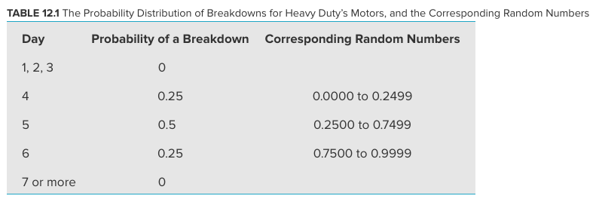
 | 8 | 0.3799 | 5 | 38 | $11,000 | $88,000
 | 9 | 0.0799 | 4 | 42 | $11,000 | $99,000
 | 10 | 0.3156 | 5 | 47 | $11,000 | $110,000
 | 11 | 0.7580 | 6 | 53 | $11,000 | $121,000
 | 12 | 0.1890 | 4 | 57 | $11,000 | $132,000
 | 13 | 0.4843 | 5 | 62 | $11,000 | $143,000
 | 14 | 0.1698 | 4 | 66 | $11,000 | $154,000
 | 15 | 0.4945 | 5 | 71 | $11,000 | $165,000
 | 16 | 0.3511 | 5 | 76 | $11,000 | $176,000
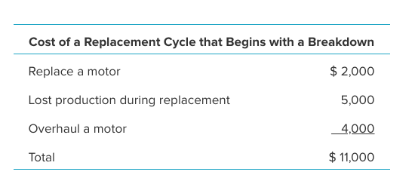
 | 17 | 0.4808 | 5 | 81 | $11,000 | $187,000
 | 18 | 0.3583 | 5 | 86 | $11,000 | $198,000
 | 19 | 0.1268 | 4 | 90 | $11,000 | $209,000
 | 20 | 0.6825 | 5 | 95 | $11,000 | $220,000
 | 21 | 0.0711 | 4 | 99 | $11,000 | $231,000
 | 22 | 0.2604 | 5 | 104 | $11,000 | $242,000
 | 23 | 0.7495 | 5 | 109 | $11,000 | $253,000
 | 24 | 0.0076 | 4 | 113 | $11,000 | $264,000
 | 25 | 0.7481 | 5 | 118 | $11,000 | $275,000
 | 26 | 0.3122 | 5 | 123 | $11,000 | $286,000
 | 27 | 0.1492 | 4 | 127 | $11,000 | $297,000
 | 28 | 0.2013 | 4 | 131 | $11,000 | $308,000
 | 29 | 0.1210 | 4 | 135 | $11,000 | $319,000 |  | Average Cost per Day
 | 30 | 0.7636 | 6 | 141 | $11,000 | $330,000 |  | $2,340

Replace After 4
Heavy Duty Company Preventive Maintenance Simulation (Replace After 4 Days)

 |  | Random | Time Until | Scheduled Time | Event That | Cumulative |  | Cumulative | Distribution of |  |  | Range Name | Cells
 | Cycle | Number | Breakdown | Until Replacement | Concludes Cycle | Day | Cost | Cost | Time Between Breakdowns |  |  | AverageCostPerDay | L34
 | 1 | 0.2199 | 4 | 4 | Breakdown | 4 | $11,000 | $11,000 |  |  | Number | BreakdownCost | L11
 | 2 | 0.7485 | 5 | 4 | Replacement | 8 | $6,000 | $17,000 | Probability | Cumulative | of Days | Cost | H5:H34
 | 3 | 0.3741 | 5 | 4 | Replacement | 12 | $6,000 | $23,000 | 0.25 | 0 | 4 | Cycle | B5:B34
 | 4 | 0.5602 | 5 | 4 | Replacement | 16 | $6,000 | $29,000 | 0.5 | 0.25 | 5 | CumulativeCost | I5:I34
 | 5 | 0.3696 | 5 | 4 | Replacement | 20 | $6,000 | $35,000 | 0.25 | 0.75 | 6 | CumulativeDay | G5:G34
 | 6 | 0.3958 | 5 | 4 | Replacement | 24 | $6,000 | $41,000 |  |  |  | Event | F5:F34
 | 7 | 0.9156 | 6 | 4 | Replacement | 28 | $6,000 | $47,000 | Breakdown Cost | $11,000 |  | RandomNumber | C5:C34
 | 8 | 0.1387 | 4 | 4 | Breakdown | 32 | $11,000 | $58,000 | Replacement Cost | $6,000 |  | ReplaceAfter | L14
 | 9 | 0.7071 | 5 | 4 | Replacement | 36 | $6,000 | $64,000 |  |  |  | ReplacementCost | L12
 | 10 | 0.7022 | 5 | 4 | Replacement | 40 | $6,000 | $70,000 | Replace After | 4 | days | ScheduledTimeUntilReplacement | E5:E34
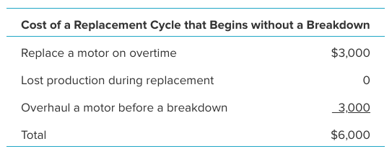
 | 11 | 0.8121 | 6 | 4 | Replacement | 44 | $6,000 | $76,000 |  |  |  | TimeUntilBreakdown | D5:D34
 | 12 | 0.9692 | 6 | 4 | Replacement | 48 | $6,000 | $82,000
 | 13 | 0.5294 | 5 | 4 | Replacement | 52 | $6,000 | $88,000
 | 14 | 0.5860 | 5 | 4 | Replacement | 56 | $6,000 | $94,000
 | 15 | 0.1320 | 4 | 4 | Breakdown | 60 | $11,000 | $105,000
 | 16 | 0.2775 | 5 | 4 | Replacement | 64 | $6,000 | $111,000
 | 17 | 0.4801 | 5 | 4 | Replacement | 68 | $6,000 | $117,000
 | 18 | 0.6498 | 5 | 4 | Replacement | 72 | $6,000 | $123,000
 | 19 | 0.9102 | 6 | 4 | Replacement | 76 | $6,000 | $129,000
 | 20 | 0.5385 | 5 | 4 | Replacement | 80 | $6,000 | $135,000
 | 21 | 0.4586 | 5 | 4 | Replacement | 84 | $6,000 | $141,000
 | 22 | 0.9693 | 6 | 4 | Replacement | 88 | $6,000 | $147,000
 | 23 | 0.0969 | 4 | 4 | Breakdown | 92 | $11,000 | $158,000
 | 24 | 0.0520 | 4 | 4 | Breakdown | 96 | $11,000 | $169,000
 | 25 | 0.0209 | 4 | 4 | Breakdown | 100 | $11,000 | $180,000
 | 26 | 0.9408 | 6 | 4 | Replacement | 104 | $6,000 | $186,000
 | 27 | 0.2607 | 5 | 4 | Replacement | 108 | $6,000 | $192,000
 | 28 | 0.7554 | 6 | 4 | Replacement | 112 | $6,000 | $198,000
 | 29 | 0.8820 | 6 | 4 | Replacement | 116 | $6,000 | $204,000 |  | Average Cost per Day
 | 30 | 0.2919 | 5 | 4 | Replacement | 120 | $6,000 | $210,000 |  | $1,750

